Hiearchy View
CLASS: COUPLER
a thing that connects two things, especially mechanical components or systems. | 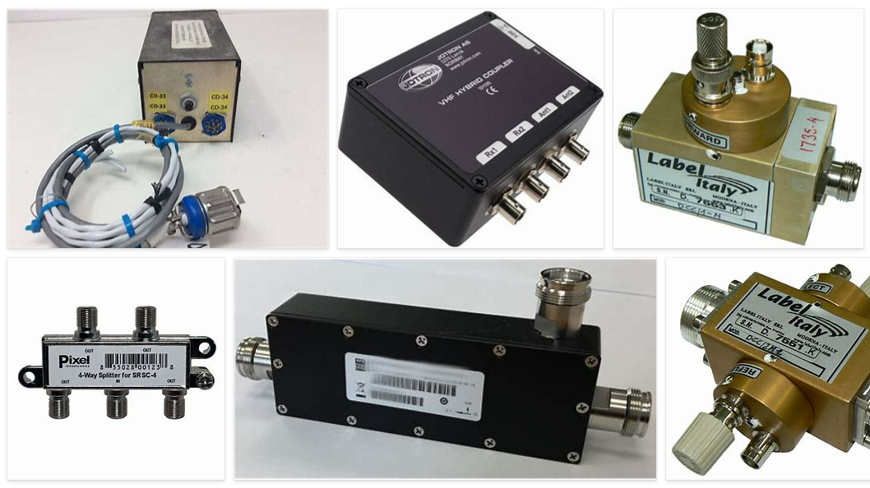
REMOVE | N

PROBLEM_DESC | CAUSE_DESC | REMEDY_DESC
BROKEN/DAMAGED
OTHER PROBLEM
OVERHEATING
POWER-ELEC
STOPPED/SLOWED/POOR OPS
TEMP-CTRL
Grand Total

